Input 4
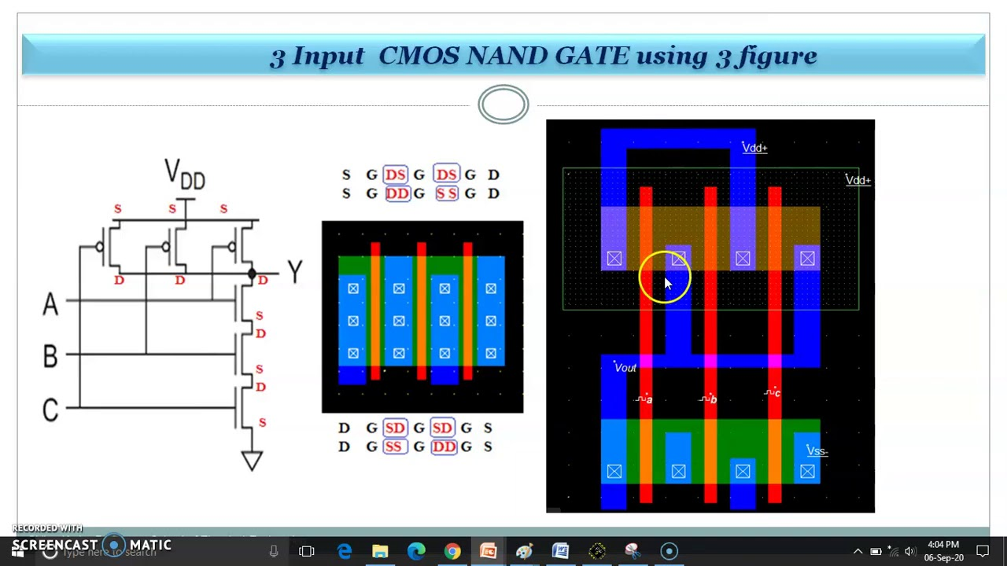
Temperature | API Output | Correct Parts | Correct Connections
0 | A 3-input NAND gate can be constructed using CMOS logic by combining PMOS (P-type Metal Oxide Semiconductor) and NMOS (N-type Metal Oxide Semiconductor) transistors. Here's how you can do it: 1. Connect three PMOS transistors in parallel. The source of all PMOS transistors should be connected to Vdd (positive supply voltage). 2. Connect three NMOS transistors in series. The source of the first NMOS transistor should be connected to the drain of the last PMOS transistor. The drain of the last NMOS transistor should be connected to ground (Vss). 3. Connect the gates of the first PMOS and the first NMOS to the first input (A). Similarly, connect the gates of the second PMOS and the second NMOS to the second input (B), and the gates of the third PMOS and the third NMOS to the third input (C). 4. The output (Y) is taken from the connection point between the PMOS and NMOS transistors. This configuration ensures that the output is low (0) only when all three inputs are high (1), which is the behavior of a 3-input NAND gate. The PMOS transistors ensure that the output is high (1) when any of the inputs is low (0), while the NMOS transistors ensure that the output is low (0) when all inputs are high (1). | Y | N
0 | A three-input NAND gate using CMOS logic can be built using two PMOS transistors connected in parallel and three NMOS transistors connected in series. Here is a simple description of the circuit: 1. Connect the source of the first PMOS transistor to Vdd (positive supply voltage). Connect the gate of this transistor to the first input (A). 2. Connect the drain of the first PMOS transistor to the source of the second PMOS transistor. Connect the gate of the second PMOS transistor to the second input (B). 3. Connect the drain of the second PMOS transistor to the drain of the first NMOS transistor. Connect the gate of the first NMOS transistor to the first input (A). 4. Connect the source of the first NMOS transistor to the drain of the second NMOS transistor. Connect the gate of the second NMOS transistor to the second input (B). 5. Connect the source of the second NMOS transistor to the drain of the third NMOS transistor. Connect the gate of the third NMOS transistor to the third input (C). 6. Connect the source of the third NMOS transistor to ground (GND). 7. The output (Y) is taken from the connection point between the PMOS and NMOS transistors. This circuit works because when any of the inputs is low (0), the corresponding PMOS transistor turns on and the corresponding NMOS transistor turns off. This connects the output to Vdd, resulting in a high output (1). When all inputs are high (1), all PMOS transistors turn off and all NMOS transistors turn on. This connects the output to GND, resulting in a low output (0). This is the behavior of a NAND gate. | N | N
0 | A 3-input NAND gate can be constructed using CMOS logic by combining PMOS and NMOS transistors. Here is a simple description of how to build it: 1. Connect the sources of three PMOS transistors together and connect them to Vdd (positive supply voltage). The gates of these three PMOS transistors are connected to the three inputs A, B, and C respectively. 2. Connect the drains of these three PMOS transistors to the drains of three NMOS transistors. The gates of these three NMOS transistors are also connected to the three inputs A, B, and C respectively. 3. Connect the sources of these three NMOS transistors together and connect them to ground (GND or 0V). 4. The output is taken from the common connection of the drains of the PMOS and NMOS transistors. This configuration ensures that the output is high (logic 1) only when all three inputs are low (logic 0). If any one or more inputs are high (logic 1), the output is low (logic 0), which is the behavior of a 3-input NAND gate. Please note that this is a simplified explanation and actual implementation may require additional components and considerations for proper operation. | Y | N
0 | A three-input NAND gate can be constructed using CMOS logic by combining PMOS and NMOS transistors. Here is a simple description of how to build it: 1. Connect three PMOS (P-type Metal Oxide Semiconductor) transistors in parallel. The source of all three PMOS transistors should be connected to Vdd (positive supply voltage). 2. Connect three NMOS (N-type Metal Oxide Semiconductor) transistors in series. The source of the first NMOS transistor should be connected to ground (GND or 0V). 3. Connect the drain of the PMOS transistors to the drain of the NMOS transistors. This will be the output of the NAND gate. 4. Connect the gates of the PMOS and NMOS transistors that are in the same position in their respective series or parallel configuration. This means the gate of the first PMOS transistor is connected to the gate of the first NMOS transistor, the gate of the second PMOS transistor is connected to the gate of the second NMOS transistor, and so on. These will be the inputs of the NAND gate. 5. The output is taken from the connection point of the PMOS and NMOS transistors. This configuration ensures that if any of the inputs are low (0), the corresponding PMOS transistor will conduct, pulling the output high (1). If all inputs are high (1), all NMOS transistors will conduct, pulling the output low (0). This is the behavior of a NAND gate. | Y | Y
0 | A three-input NAND gate using CMOS logic can be built using two PMOS transistors connected in parallel and three NMOS transistors connected in series. Here's a simple description of how to build it: 1. Connect the source of the first PMOS transistor to VDD (positive supply voltage). Connect the gate of this transistor to the first input (A). 2. Connect the source of the second PMOS transistor to VDD as well. Connect the gate of this transistor to the second input (B). 3. Connect the drains of both PMOS transistors together. This will be the output of the NAND gate. 4. Connect the source of the first NMOS transistor to GND (ground). Connect the gate of this transistor to the first input (A). 5. Connect the drain of the first NMOS transistor to the source of the second NMOS transistor. Connect the gate of the second NMOS transistor to the second input (B). 6. Connect the drain of the second NMOS transistor to the source of the third NMOS transistor. Connect the gate of the third NMOS transistor to the third input (C). 7. Connect the drain of the third NMOS transistor to the drains of the PMOS transistors (the output of the NAND gate). This circuit works as a three-input NAND gate because the output will be low (0) only when all three inputs are high (1). In all other cases, the output will be high (1). This is the behavior of a NAND gate. The PMOS transistors are used to pull the output high when any of the inputs is low, and the NMOS transistors are used to pull the output low when all inputs are high. | N | N
0 | A three-input NAND gate using CMOS logic can be built using two PMOS transistors connected in parallel and three NMOS transistors connected in series. Here's a simple description of how to build it: 1. Connect the source of the first PMOS transistor to VDD (positive supply voltage). Connect the gate of this transistor to the first input (A). 2. Connect the source of the second PMOS transistor to VDD as well. Connect the gate of this transistor to the second input (B). 3. Connect the drains of the first and second PMOS transistors together. This will be the output of the NAND gate. 4. Connect the source of the first NMOS transistor to GND (ground). Connect the gate of this transistor to the first input (A). 5. Connect the drain of the first NMOS transistor to the source of the second NMOS transistor. Connect the gate of the second NMOS transistor to the second input (B). 6. Connect the drain of the second NMOS transistor to the source of the third NMOS transistor. Connect the gate of the third NMOS transistor to the third input (C). 7. Connect the drain of the third NMOS transistor to the drains of the first and second PMOS transistors (the output of the NAND gate). This circuit works because when any of the inputs (A, B, C) is low (0), the corresponding NMOS transistor will be off and the corresponding PMOS transistor will be on, pulling the output high (1). Only when all three inputs are high (1), all NMOS transistors will be on and all PMOS transistors will be off, pulling the output low (0). This is the behavior of a three-input NAND gate. | N | N
0 | A three-input NAND gate using CMOS logic can be built using two types of transistors: PMOS (P-type Metal Oxide Semiconductor) and NMOS (N-type Metal Oxide Semiconductor). Here is a simple description of the circuit: 1. Connect the three inputs to the gates of three NMOS transistors and connect these transistors in series. The source of the first NMOS transistor (from the top) is connected to ground and the drain of the last NMOS transistor (from the top) is connected to the output. 2. Connect the three inputs to the gates of three PMOS transistors and connect these transistors in parallel. The source of each PMOS transistor is connected to Vdd (positive supply voltage) and the drains are all connected together to the output. 3. The output is thus connected to the drains of both the NMOS and PMOS transistors. In this configuration, if any of the inputs is low (0), the corresponding PMOS transistor will be ON and NMOS transistor will be OFF. This will connect the output to Vdd, resulting in a high output (1). If all inputs are high (1), all NMOS transistors will be ON and PMOS transistors will be OFF, connecting the output to ground and resulting in a low output (0). This is the behavior of a 3-input NAND gate. Please note that this is a text-based platform and it's not possible to draw a circuit diagram here. You may want to refer to a digital electronics textbook or online resources for a visual diagram. | Y | Y
0 | A three-input NAND gate can be constructed using CMOS logic by combining PMOS (P-type Metal Oxide Semiconductor) and NMOS (N-type Metal Oxide Semiconductor) transistors. Here is a simple description of the circuit: 1. Connect the three inputs to the gates of three PMOS transistors and three NMOS transistors. 2. Connect the sources of the PMOS transistors to Vdd (positive supply voltage) and the sources of the NMOS transistors to ground (GND). 3. Connect the drains of the PMOS transistors together and the drains of the NMOS transistors together. 4. Connect the drains of the PMOS transistors to the drains of the NMOS transistors. This will be the output of the NAND gate. In this configuration, the PMOS transistors are in parallel and the NMOS transistors are in series. This is because a NAND gate is a negative logic gate, meaning it gives a low output when all its inputs are high. When all inputs are high, the PMOS transistors will be off and the NMOS transistors will be on, pulling the output to ground. When any input is low, at least one PMOS transistor will be on and one NMOS transistor will be off, pulling the output to Vdd. This is a simple and efficient way to implement a three-input NAND gate using CMOS logic. | Y | N
0 | A three-input NAND gate using CMOS logic can be built using two PMOS transistors connected in parallel and three NMOS transistors connected in series. Here's a simple description of how to build it: 1. Connect the source of the first PMOS transistor to VDD (positive supply voltage). Connect the gate of this transistor to the first input (A). 2. Connect the drain of the first PMOS transistor to the drain of the second PMOS transistor. Connect the gate of the second PMOS transistor to the second input (B). 3. Connect the source of the second PMOS transistor to the drain of the third PMOS transistor. Connect the gate of the third PMOS transistor to the third input (C). 4. Connect the source of the first NMOS transistor to GND (ground). Connect the gate of this transistor to the first input (A). 5. Connect the drain of the first NMOS transistor to the source of the second NMOS transistor. Connect the gate of the second NMOS transistor to the second input (B). 6. Connect the drain of the second NMOS transistor to the source of the third NMOS transistor. Connect the gate of the third NMOS transistor to the third input (C). 7. Connect the drain of the third NMOS transistor to the drain of the third PMOS transistor. This is the output of the three-input NAND gate. This configuration ensures that the output is low (0) only when all three inputs are high (1). In all other cases, the output is high (1), which is the behavior of a NAND gate. | N | N
0 | A three-input NAND gate can be constructed using CMOS logic by combining PMOS and NMOS transistors. Here is a simple description of how to build it: 1. Connect three PMOS transistors in parallel. The source of all PMOS transistors should be connected to Vdd (positive supply voltage). 2. Connect three NMOS transistors in series. The source of the first NMOS transistor should be connected to ground (GND or 0V). 3. Connect the drain of the PMOS transistors to the drain of the NMOS transistors. This will be the output of the NAND gate. 4. Connect the gates of the first PMOS and the first NMOS to the first input (A). 5. Connect the gates of the second PMOS and the second NMOS to the second input (B). 6. Connect the gates of the third PMOS and the third NMOS to the third input (C). The output of this circuit will be the NAND of the three inputs. This means that the output will be high (1) if any of the inputs is low (0), and the output will be low (0) only if all inputs are high (1). This is the behavior of a three-input NAND gate. Please note that this is a simplified explanation and actual implementation may require additional components and considerations for proper operation. | Y | N

Input 8
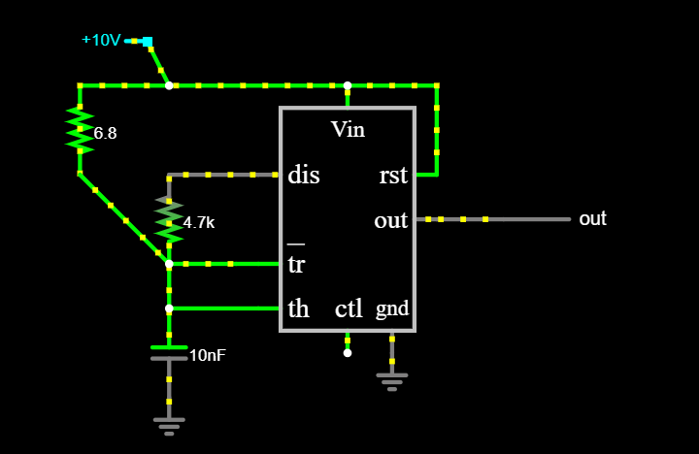
Temperature | API Output | Correct Parts | Correct Connections
0 | Designing a square wave frequency generator using a NE555 timer involves setting up the timer in astable mode. Here's a simple schematic for a 10kHz square wave generator: Components: 1. NE555 Timer IC 2. Resistors: R1 = 4.7k ohms, R2 = 6.8k ohms 3. Capacitors: C1 = 10nF (0.01uF) 4. Power supply: 5V to 15V DC Circuit Diagram: 1. Connect pin 1 (ground) of the NE555 timer to the negative terminal (0V) of your power supply. 2. Connect pin 8 (VCC) of the NE555 timer to the positive terminal of your power supply. 3. Connect pin 4 (reset) of the NE555 timer to the positive terminal of your power supply. This disables the reset function. 4. Connect one end of R1 to pin 7 (discharge) of the NE555 timer, and the other end to both pin 6 (threshold) and pin 2 (trigger). 5. Connect one end of R2 to the junction of R1, pin 6 and pin 2, and the other end to the positive terminal of your power supply. 6. Connect one end of C1 to pin 6 (threshold) and pin 2 (trigger) of the NE555 timer, and the other end to the negative terminal (0V) of your power supply. 7. Connect pin 5 (control voltage) to the negative terminal (0V) of your power supply through a 0.01uF capacitor to filter out any noise. 8. The output will be available at pin 3 (output) of the NE555 timer. This circuit will generate a square wave of frequency approximately 10kHz at pin 3 of the NE555 timer. The frequency can be calculated using the formula: f = 1.44 / ((R1 + 2*R2) * C1) Please note that the NE555 timer is not a precision timing device, and the output frequency may vary with temperature and supply voltage. For more precise applications, a crystal oscillator or a microcontroller would be a better choice. | N | N | wrong values
0 | Designing a square wave frequency generator using a NE555 timer involves setting up the timer in astable mode. Here's a simple schematic for a 10kHz square wave generator: Components: 1. NE555 Timer IC 2. Resistors: R1 = 4.7k ohms, R2 = 6.8k ohms 3. Capacitors: C1 = 10nF (0.01uF) 4. Power supply: 5V to 15V DC Circuit Diagram: 1. Connect pin 1 (ground) of the NE555 timer to the negative terminal (0V) of your power supply. 2. Connect pin 8 (VCC) of the NE555 timer to the positive terminal of your power supply. 3. Connect pin 4 (reset) of the NE555 timer to the positive terminal of your power supply. This disables the reset function. 4. Connect one end of R1 to pin 7 (discharge) of the NE555 timer. Connect the other end of R1 to both pin 6 (threshold) and one end of R2. 5. Connect the other end of R2 to pin 8 (VCC) of the NE555 timer. 6. Connect one end of C1 to both pin 6 (threshold) and pin 2 (trigger) of the NE555 timer. Connect the other end of C1 to pin 1 (ground). 7. Connect pin 5 (control voltage) to the negative terminal of a 10nF capacitor, and connect the positive terminal of this capacitor to ground. This is to filter out any noise. 8. The output will be at pin 3 of the NE555 timer. This circuit will generate a square wave of frequency approximately 10kHz. The frequency can be calculated using the formula: f = 1.44 / ((R1 + 2*R2) * C1) Please note that the NE555 timer is not a precision timing device, and the output frequency may vary with temperature and supply voltage. For more precise applications, a crystal oscillator or a microcontroller might be a better choice. | N | N | wrong values
0 | Designing a square wave frequency generator using a NE555 timer involves several steps. Here's a simple schematic for a 10kHz square wave generator: Components Required: 1. NE555 Timer IC 2. Resistors: R1 = 4.7k ohm, R2 = 6.8k ohm 3. Capacitor: C1 = 1nF 4. Power supply: 5V to 15V Circuit Design: 1. Connect the power supply to the NE555 timer IC. Pin 8 is connected to the positive terminal of the power supply, and pin 1 is connected to the ground. 2. Connect the trigger input (pin 2) and the threshold input (pin 6) together. This will be the timing interval control input. 3. Connect the discharge pin (pin 7) to the junction of resistors R1 and R2. 4. Connect the other end of resistor R1 to the positive terminal of the power supply and the other end of resistor R2 to the timing interval control input (junction of pin 2 and pin 6). 5. Connect one end of the capacitor C1 to the timing interval control input and the other end to the ground. 6. The output (pin 3) will be the generated square wave signal. 7. Connect pin 4 (Reset) to the positive terminal of the power supply to disable the reset function. 8. Pin 5 (Control Voltage) is not used in this circuit, so it can be left open or connected to ground through a small capacitor (0.01uF) to filter out any noise. The frequency of the square wave can be calculated using the formula: f = 1.44 / ((R1 + 2*R2) * C1) By adjusting the values of R1, R2, and C1, you can change the frequency of the square wave. For a 10kHz square wave, you can use R1 = 4.7k ohm, R2 = 6.8k ohm, and C1 = 1nF. Please note that this is a basic square wave generator circuit. Depending on your specific application, you may need to add additional components or modify the circuit. Always remember to follow proper safety procedures when building and testing electronic circuits. | N | N | wrong values. Connectionsfor R1 and R2 is close but not correct.
0 | Designing a square wave frequency generator using a NE555 timer involves setting up the timer in astable mode. Here's a simple schematic for a 10kHz square wave generator: Components: 1. NE555 Timer IC 2. Resistors: R1 = 4.7k ohms, R2 = 6.8k ohms 3. Capacitors: C1 = 10nF (0.01uF) 4. Power supply: 5V to 15V DC Circuit Diagram: 1. Connect pin 1 (ground) of the NE555 timer to the negative terminal (0V) of your power supply. 2. Connect pin 8 (VCC) of the NE555 timer to the positive terminal of your power supply. 3. Connect pin 4 (reset) of the NE555 timer to the positive terminal of your power supply. This disables the reset function. 4. Connect one end of R1 to pin 7 (discharge) of the NE555 timer, and the other end to both pin 6 (threshold) and pin 2 (trigger) of the NE555 timer. 5. Connect one end of R2 to the junction of R1, pin 6 and pin 2, and the other end to the positive terminal of your power supply. 6. Connect one end of C1 to pin 6 and pin 2 of the NE555 timer, and the other end to the negative terminal of your power supply. 7. Connect pin 5 (control voltage) of the NE555 timer to the negative terminal of your power supply through a 0.01uF capacitor to filter out any noise. 8. Connect pin 3 (output) of the NE555 timer to your output device (like an oscilloscope or speaker). This circuit will generate a square wave with a frequency of approximately 10kHz. The frequency can be calculated using the formula: f = 1.44 / ((R1 + 2*R2) * C1) Please note that the NE555 timer is not a precision device, and the output frequency may vary with temperature and supply voltage. For more precise applications, a crystal oscillator or a microcontroller might be a better choice. | N | N | wrong values
0 | Designing a square wave frequency generator using a NE555 timer involves setting up the timer in astable mode. Here's a simple schematic for a 10kHz square wave generator: Components Required: 1. NE555 Timer IC 2. Resistors: R1 = 4.7k ohms, R2 = 6.8k ohms 3. Capacitors: C1 = 10nF (0.01uF) 4. Power supply: 5V to 15V DC Circuit Diagram: 1. Connect pin 1 (ground) of the NE555 timer to the negative terminal (0V) of your power supply. 2. Connect pin 8 (VCC) of the NE555 timer to the positive terminal of your power supply. 3. Connect pin 4 (reset) of the NE555 timer to the positive terminal of your power supply. This disables the reset function. 4. Connect a 4.7k ohm resistor (R1) between pin 7 (discharge) and pin 8 (VCC) of the NE555 timer. 5. Connect a 6.8k ohm resistor (R2) between pin 7 (discharge) and pin 6 (threshold) of the NE555 timer. 6. Connect a 10nF capacitor (C1) between pin 6 (threshold) and pin 1 (ground) of the NE555 timer. 7. Connect pin 2 (trigger) of the NE555 timer to pin 6 (threshold). 8. The output will be available at pin 3 (output) of the NE555 timer. This circuit will generate a square wave of frequency approximately 10kHz at pin 3 of the NE555 timer. The frequency can be calculated using the formula: f = 1.44 / ((R1 + 2*R2) * C1) Please note that the NE555 timer is not a precision timing device, and the frequency output may vary with temperature and supply voltage. For more precise frequency generation, a crystal oscillator or a microcontroller would be more suitable. | N | Y | wrong values
0 | Designing a square wave frequency generator using a NE555 timer involves setting up the timer in astable mode. Here's a simple schematic for a 10kHz square wave generator: Components: 1. NE555 Timer IC 2. Resistors: R1 = 4.7k ohms, R2 = 6.8k ohms 3. Capacitors: C1 = 10nF (0.01uF) 4. Power supply: 5V to 15V DC Circuit Connections: 1. Connect pin 1 (ground) of the NE555 timer to the negative terminal (0V) of the power supply. 2. Connect pin 8 (VCC) of the NE555 timer to the positive terminal of the power supply. 3. Connect pin 4 (reset) of the NE555 timer to the positive terminal of the power supply to disable the reset functionality. 4. Connect one end of R1 to pin 7 (discharge) of the NE555 timer and the other end to pin 8 (VCC) and pin 6 (threshold). 5. Connect one end of R2 to pin 7 of the NE555 timer and the other end to pin 6 and pin 2 (trigger). 6. Connect one end of C1 to pin 2 of the NE555 timer and the other end to the negative terminal of the power supply. 7. Connect pin 6 of the NE555 timer to pin 2. 8. The output will be available at pin 3 (output) of the NE555 timer. This circuit will generate a square wave of frequency approximately 10kHz at pin 3 of the NE555 timer. The frequency can be calculated using the formula: f = 1.44 / ((R1 + 2*R2) * C1) Please note that the actual frequency may vary slightly due to the tolerance of the resistors and capacitors. You can adjust R1, R2, and C1 to get the exact frequency you need. Also, remember to always power off your circuit before making any changes to avoid any electrical shock or damage to components. | N | N | wrong values
0 | Designing a square wave frequency generator using a NE555 timer involves setting up the timer in astable mode. Here's a simple schematic for a 10kHz square wave generator: Components: 1. NE555 Timer IC 2. Resistors: R1 = 4.7k ohms, R2 = 6.8k ohms 3. Capacitors: C1 = 10nF (0.01uF) 4. Power supply: 5V to 15V DC Circuit Diagram: 1. Connect pin 1 (ground) of the NE555 timer to the negative terminal (0V) of your power supply. 2. Connect pin 8 (VCC) of the NE555 timer to the positive terminal of your power supply. 3. Connect pin 4 (reset) of the NE555 timer to the positive terminal of your power supply. This disables the reset function. 4. Connect one end of R1 to pin 7 (discharge) of the NE555 timer, and the other end to both pin 6 (threshold) and pin 2 (trigger) of the NE555 timer. 5. Connect one end of R2 to the junction of R1, pin 6 and pin 2, and the other end to the positive terminal of your power supply. 6. Connect one end of C1 to the junction of R1, R2, pin 6 and pin 2, and the other end to the negative terminal of your power supply. 7. Connect pin 5 (control voltage) of the NE555 timer to the negative terminal of your power supply through a 0.01uF capacitor to filter out any noise. 8. Connect pin 3 (output) of the NE555 timer to your output device. This circuit will generate a square wave signal with a frequency of approximately 10kHz. The frequency can be calculated using the formula: f = 1.44 / ((R1 + 2*R2) * C1) Please note that the NE555 timer is not a precision timing device, and the output frequency may vary with temperature and supply voltage. For more precise frequency generation, a crystal oscillator or a microcontroller would be more suitable. | N | N | wrong values | Common problems:
0 | Designing a square wave frequency generator using a NE555 timer involves setting up the timer in astable mode. Here's a simple schematic for a 10kHz square wave generator: Components: 1. NE555 Timer IC 2. Resistors: R1 = 4.7k ohms, R2 = 6.8k ohms 3. Capacitors: C1 = 10nF (0.01uF) 4. Power supply: 5V to 15V DC Circuit Diagram: 1. Connect pin 1 (ground) of the NE555 timer to the negative terminal (0V) of your power supply. 2. Connect pin 8 (VCC) of the NE555 timer to the positive terminal of your power supply. 3. Connect pin 4 (reset) of the NE555 timer to the positive terminal of your power supply. This disables the reset function. 4. Connect one end of R1 to pin 7 (discharge) of the NE555 timer, and the other end to both pin 6 (threshold) and pin 2 (trigger) of the NE555 timer. 5. Connect one end of R2 to the junction of R1, pin 6 and pin 2, and the other end to the positive terminal of your power supply. 6. Connect one end of C1 to the junction of R1, R2, pin 6 and pin 2, and the other end to the negative terminal of your power supply. 7. Connect pin 5 (control voltage) of the NE555 timer to the negative terminal of your power supply through a 0.01uF capacitor to filter out any noise. 8. Connect pin 3 (output) of the NE555 timer to your output device (like an oscilloscope or speaker). This circuit will generate a square wave with a frequency of approximately 10kHz. The frequency can be calculated using the formula: f = 1.44 / ((R1 + 2*R2) * C1) Please note that the NE555 timer is not a precision device, and the output frequency may vary with temperature and supply voltage. For more precise applications, a crystal oscillator or a microcontroller might be a better choice. | N | N | wrong values | Math was done wrong
0 | Designing a square wave frequency generator using a NE555 timer involves setting up the timer in astable mode. Here's a simple schematic for a 10kHz square wave generator: Components: 1. NE555 Timer IC 2. Resistors: R1 = 4.7k ohms, R2 = 6.8k ohms 3. Capacitors: C1 = 10nF (0.01uF) 4. Power supply: 5V to 15V DC Circuit Diagram: 1. Connect pin 1 (ground) of the NE555 timer to the negative terminal (0V) of your power supply. 2. Connect pin 8 (VCC) of the NE555 timer to the positive terminal of your power supply. 3. Connect pin 4 (reset) of the NE555 timer to the positive terminal of your power supply. This disables the reset function. 4. Connect one end of R1 to pin 7 (discharge) of the NE555 timer. Connect the other end of R1 to both pin 6 (threshold) and pin 2 (trigger) of the NE555 timer. 5. Connect one end of R2 to the junction of R1, pin 6 and pin 2. Connect the other end of R2 to the positive terminal of your power supply. 6. Connect one end of C1 to the junction of R1, pin 6 and pin 2. Connect the other end of C1 to the negative terminal of your power supply. 7. Connect pin 5 (control voltage) of the NE555 timer to the negative terminal of your power supply through a 0.01uF capacitor to filter out any noise. 8. Connect pin 3 (output) of the NE555 timer to your output device. This circuit will generate a square wave signal with a frequency of approximately 10kHz. The frequency can be calculated using the formula: f = 1.44 / ((R1 + 2*R2) * C1) Please note that the actual frequency may vary slightly due to the tolerance of the resistors and capacitors. You can adjust R1, R2, and C1 to fine-tune the frequency. | N | N | wrong values | R1 and R2 most commonly were swapped and R1 conencted to pins 6 and 2 which are wrong
0 | Designing a square wave frequency generator using a NE555 timer involves setting up the timer in astable mode. Here's a simple schematic for a 10kHz square wave generator: Components: 1. NE555 Timer IC 2. Resistors: R1 = 4.7k ohms, R2 = 6.8k ohms 3. Capacitors: C1 = 10nF (0.01uF) 4. Power supply: 5V to 15V DC Circuit Diagram: 1. Connect pin 1 (ground) of the NE555 timer to the negative terminal (0V) of your power supply. 2. Connect pin 8 (VCC) of the NE555 timer to the positive terminal of your power supply. 3. Connect pin 4 (reset) of the NE555 timer to the positive terminal of your power supply. This disables the reset function. 4. Connect one end of R1 to pin 7 (discharge) of the NE555 timer. Connect the other end of R1 to both pin 6 (threshold) and one end of R2. 5. Connect the other end of R2 to pin 8 (VCC) of the NE555 timer. 6. Connect one end of C1 to both pin 6 (threshold) and pin 2 (trigger) of the NE555 timer. Connect the other end of C1 to pin 1 (ground). 7. Connect pin 5 (control voltage) to the negative terminal of a 10nF capacitor, and connect the positive terminal of this capacitor to ground. This is to filter out any noise. 8. The output will be at pin 3 (output) of the NE555 timer. This circuit will generate a square wave with a frequency of approximately 10kHz. The frequency can be calculated using the formula: f = 1.44 / ((R1 + 2*R2) * C1) Please note that the NE555 timer is not a precision timing device, and the output frequency may vary with temperature and supply voltage. For more precise applications, a crystal oscillator or a microcontroller might be a better choice. | N | N | wrong values

Input 10
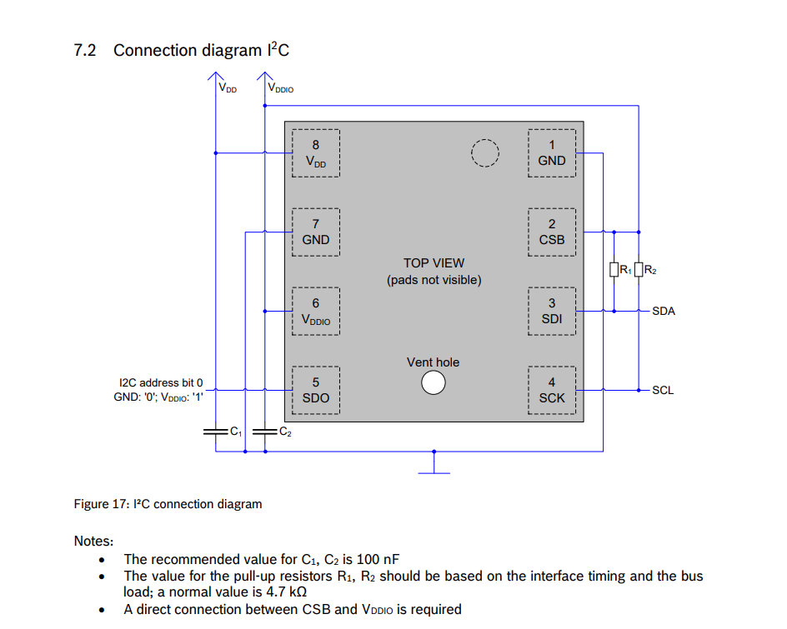
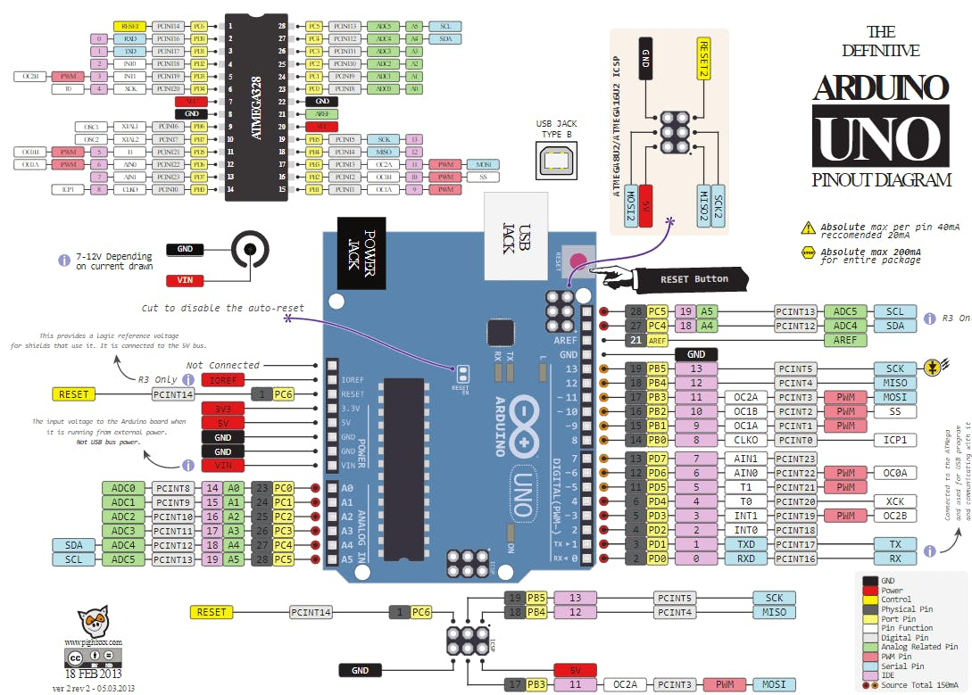
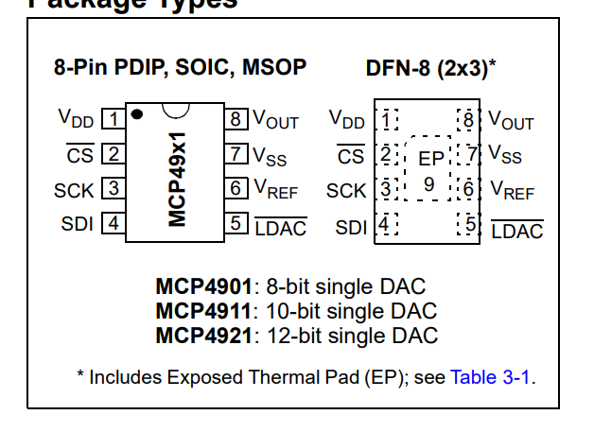
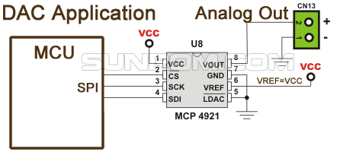
Temperature | API Output | Correct Parts | Correct Connections
0 | Here's a simple guide on how to build a circuit using an Arduino Uno R3 (ATMEGA328P), MCP4921 DAC, and BME280 sensor. Materials: 1. Arduino Uno R3 2. MCP4921 DAC 3. BME280 sensor 4. Breadboard 5. Jumper wires Steps: 1. Connect the Arduino Uno R3 to the breadboard. 2. Connect the MCP4921 DAC to the Arduino Uno R3. Connect the VDD pin of the MCP4921 to the 5V pin on the Arduino, the VSS pin to the GND pin, the SCK pin to the D13 pin (SPI Clock), the SDI pin to the D11 pin (SPI MOSI), and the CS pin to the D10 pin (SPI CS). 3. Connect the BME280 sensor to the Arduino Uno R3. Connect the VIN pin of the BME280 to the 3.3V pin on the Arduino, the GND pin to another GND pin, the SDA pin to the A4 pin (I2C SDA), and the SCL pin to the A5 pin (I2C SCL). 4. Connect the LDAC and SHDN pins of the MCP4921 to the GND to keep them always active. 5. Connect the output of the MCP4921 (VOUT pin) to your circuit where you need the analog output. 6. Now, you can write a program to read data from the BME280 sensor and output it through the MCP4921 DAC. Remember to install the necessary libraries for the BME280 sensor and the MCP4921 DAC in your Arduino IDE before you start programming. Please note that this is a basic setup and might need to be adjusted based on your specific needs. Always check the datasheets of your components to ensure correct connections. | Y | N | Suggested SHDN pin even tho its only on the 22 not 21.
0 | Here's a simple guide on how to build a circuit using an Arduino Uno R3, MCP4921 DAC, and BME280 sensor. Materials: 1. Arduino Uno R3 2. MCP4921 DAC 3. BME280 sensor 4. Breadboard 5. Jumper wires Steps: 1. Connect the Arduino Uno R3 to the breadboard. 2. Connect the MCP4921 DAC to the Arduino: - Connect VDD (Pin 1) of MCP4921 to 5V on the Arduino. - Connect VSS (Pin 2) of MCP4921 to GND on the Arduino. - Connect LDAC (Pin 3) of MCP4921 to GND on the Arduino. - Connect CS/SHDN (Pin 4) of MCP4921 to digital pin 10 on the Arduino. - Connect SCK (Pin 5) of MCP4921 to digital pin 13 on the Arduino. - Connect SDI (Pin 6) of MCP4921 to digital pin 11 on the Arduino. - Leave VOUT (Pin 8) of MCP4921 unconnected for now, it will be used to output the analog signal. 3. Connect the BME280 sensor to the Arduino: - Connect VCC of BME280 to 3.3V on the Arduino. - Connect GND of BME280 to GND on the Arduino. - Connect SDA of BME280 to A4 on the Arduino. - Connect SCL of BME280 to A5 on the Arduino. 4. Now, you can connect the VOUT of MCP4921 to any device you want to control with the analog signal. For example, you can connect it to an amplifier, a motor controller, etc. 5. Finally, connect the Arduino to your computer via USB cable. You can now write a program to read data from the BME280 sensor, process it, and output an analog signal using the MCP4921 DAC. Please note that this is a very basic setup and might need to be adjusted based on your specific needs. Always remember to check the datasheets of your components to ensure correct connections. | Y | N | Missing other conenctions for MCP
0 | Here's a simple guide on how to build a circuit using an Arduino Uno R3, MCP4921 DAC, and BME280 sensor. Materials: 1. Arduino Uno R3 2. MCP4921 DAC 3. BME280 sensor 4. Breadboard 5. Jumper wires Steps: 1. Connect the Arduino Uno R3 to the breadboard. 2. Connect the MCP4921 DAC to the Arduino: - Connect VDD (Pin 1) of MCP4921 to 5V on the Arduino. - Connect VSS (Pin 2) of MCP4921 to GND on the Arduino. - Connect /CS (Pin 3) of MCP4921 to Digital Pin 10 on the Arduino. - Connect SCK (Pin 4) of MCP4921 to Digital Pin 13 on the Arduino. - Connect SDI (Pin 5) of MCP4921 to Digital Pin 11 on the Arduino. - Connect /LDAC (Pin 6) of MCP4921 to GND on the Arduino. - Connect VOUT (Pin 8) of MCP4921 to your output device (like a speaker or oscilloscope). 3. Connect the BME280 sensor to the Arduino: - Connect VCC of BME280 to 3.3V on the Arduino. - Connect GND of BME280 to GND on the Arduino. - Connect SDA of BME280 to A4 on the Arduino. - Connect SCL of BME280 to A5 on the Arduino. 4. Once all the connections are made, you can then upload your code to the Arduino Uno R3 to start reading data from the BME280 sensor and outputting it through the MCP4921 DAC. Please note that this is a basic setup and you may need to add additional components depending on your specific application. Always remember to double-check your connections before powering up your circuit to avoid any damage to your components. | Y | N | Nothing to do with VREF
0 | Here's a simple guide on how to build a circuit using an Arduino Uno R3, MCP4921 DAC, and BME280 sensor. Materials: 1. Arduino Uno R3 2. MCP4921 DAC 3. BME280 sensor 4. Breadboard 5. Jumper wires Steps: 1. Connect the Arduino Uno R3 to the breadboard. 2. Connect the MCP4921 DAC to the Arduino: - Connect VDD (Pin 1) of the MCP4921 to the 5V pin on the Arduino. - Connect VSS (Pin 2) of the MCP4921 to the GND pin on the Arduino. - Connect SDI (Pin 4) of the MCP4921 to the D11 (MOSI) pin on the Arduino. - Connect SCK (Pin 3) of the MCP4921 to the D13 (SCK) pin on the Arduino. - Connect CS (Pin 5) of the MCP4921 to the D10 (SS) pin on the Arduino. - Connect LDAC (Pin 6) of the MCP4921 to the GND pin on the Arduino. 3. Connect the BME280 sensor to the Arduino: - Connect VCC of the BME280 to the 3.3V pin on the Arduino. - Connect GND of the BME280 to the GND pin on the Arduino. - Connect SDA of the BME280 to the A4 (SDA) pin on the Arduino. - Connect SCL of the BME280 to the A5 (SCL) pin on the Arduino. 4. Connect the Arduino to your computer via USB cable. 5. Open the Arduino IDE on your computer, write your code, and upload it to the Arduino. Please note that this is a basic setup and you may need to add other components depending on your specific application. Also, remember to install the necessary libraries for the MCP4921 DAC and BME280 sensor in your Arduino IDE before uploading your code. | Y | N | Nothing to do with VREF
0 | Here's a simple guide on how to build a circuit using an Arduino Uno R3 (ATMEGA328P), MCP4921 DAC, and BME280 sensor. Materials: 1. Arduino Uno R3 (ATMEGA328P) 2. MCP4921 DAC 3. BME280 sensor 4. Breadboard 5. Jumper wires Steps: 1. Connect the Arduino Uno R3 to the breadboard. 2. Connect the MCP4921 DAC to the Arduino: - Connect VDD (Pin 1) of the MCP4921 to the 5V pin on the Arduino. - Connect VSS (Pin 2) of the MCP4921 to the GND pin on the Arduino. - Connect CS/SHDN (Pin 3) of the MCP4921 to digital pin 10 on the Arduino. - Connect SCK (Pin 4) of the MCP4921 to digital pin 13 on the Arduino. - Connect SDI (Pin 5) of the MCP4921 to digital pin 11 on the Arduino. - Connect LDAC (Pin 6) of the MCP4921 to the GND pin on the Arduino. - Connect VOUT (Pin 8) of the MCP4921 to the analog input pin A0 on the Arduino. 3. Connect the BME280 sensor to the Arduino: - Connect VCC of the BME280 to the 3.3V pin on the Arduino. - Connect GND of the BME280 to the GND pin on the Arduino. - Connect SDA of the BME280 to the A4 pin on the Arduino. - Connect SCL of the BME280 to the A5 pin on the Arduino. 4. Connect the Arduino to your computer using a USB cable. 5. Upload your code to the Arduino using the Arduino IDE. Please note that this is a basic setup and you may need to add components depending on your specific application. Also, always double-check your connections before powering up the circuit to avoid damaging any components. | Y | N | Suggesting that cs is SHDN pin VREF
0 | Here's a simple guide on how to build a circuit using an Arduino Uno R3 (ATMEGA328P), MCP4921 DAC, and BME280 sensor. Materials: 1. Arduino Uno R3 (ATMEGA328P) 2. MCP4921 DAC 3. BME280 sensor 4. Breadboard 5. Jumper wires 6. 10k ohm resistor Steps: 1. Connect the Arduino Uno R3 to the breadboard. 2. Connect the MCP4921 DAC to the Arduino Uno R3. Connect the VDD pin of the MCP4921 to the 5V pin on the Arduino, the VSS pin to the GND pin, the SCK pin to the D13 pin, the SDI pin to the D11 pin, and the CS pin to the D10 pin. 3. Connect the BME280 sensor to the Arduino Uno R3. Connect the VIN pin of the BME280 to the 3.3V pin on the Arduino, the GND pin to the GND pin, the SDA pin to the A4 pin, and the SCL pin to the A5 pin. 4. Connect a 10k ohm resistor between the LDAC pin of the MCP4921 and the GND pin on the Arduino. This will keep the LDAC pin low and allow the DAC to update the output immediately after receiving data. 5. Connect the SHDN pin of the MCP4921 to the 5V pin on the Arduino. This will keep the DAC active. 6. Connect the OUT pin of the MCP4921 to the analog input pin (A0) on the Arduino. This will allow the Arduino to read the output of the DAC. 7. Connect your Arduino to your computer via USB cable. 8. Open the Arduino IDE on your computer, write your code, and upload it to the Arduino. Please note that this is a basic setup and may need to be adjusted based on your specific needs. Also, always double-check your connections before powering up the circuit to avoid damaging any components. | Y | N
0 | Here's a simple guide on how to build a circuit using an Arduino Uno R3 (ATMEGA328P), MCP4921 DAC, and BME280 sensor. Materials: 1. Arduino Uno R3 2. MCP4921 DAC 3. BME280 sensor 4. Breadboard 5. Jumper wires 6. 10k ohm resistor Steps: 1. Connect the Arduino Uno R3 to the breadboard. 2. Connect the MCP4921 DAC to the Arduino Uno R3. Connect the VDD pin of the MCP4921 to the 5V pin on the Arduino, the VSS pin to the GND pin, the SCK pin to the D13 pin (SPI Clock), the SDI pin to the D11 pin (SPI MOSI), and the CS pin to the D10 pin (SPI CS). 3. Connect the BME280 sensor to the Arduino Uno R3. Connect the VIN pin of the BME280 to the 3.3V pin on the Arduino, the GND pin to another GND pin, the SDA pin to the A4 pin (I2C SDA), and the SCL pin to the A5 pin (I2C SCL). 4. Connect a 10k ohm resistor between the LDAC pin of the MCP4921 and the GND pin. This will keep the LDAC pin low and allow the DAC to update the output immediately after receiving data. 5. Connect the SHDN pin of the MCP4921 to the 5V pin on the Arduino. This will keep the DAC active. 6. Connect the OUT pin of the MCP4921 to the analog input pin of your choice on the Arduino. This will be the output of your DAC. 7. Connect your Arduino Uno R3 to your computer via USB cable. 8. Open the Arduino IDE on your computer, write your code, and upload it to the Arduino Uno R3. Please note that this is a basic setup and you may need to add other components depending on your specific application. Also, remember to install the necessary libraries for the MCP4921 DAC and BME280 sensor in the Arduino IDE before uploading your code. | Y | N
0 | Here's a simple guide on how to build a circuit using an Arduino Uno R3, MCP4921 DAC, and BME280 sensor. Materials: 1. Arduino Uno R3 2. MCP4921 DAC 3. BME280 sensor 4. Breadboard 5. Jumper wires Steps: 1. Connect the Arduino Uno R3 to the breadboard. 2. Connect the MCP4921 DAC to the Arduino Uno R3. Connect the following pins: - VDD to 5V - VSS to GND - SDI to pin 11 (MOSI) - SCK to pin 13 (SCK) - CS to pin 10 (SS) - LDAC to GND 3. Connect the BME280 sensor to the Arduino Uno R3. Connect the following pins: - VCC to 3.3V - GND to GND - SDA to A4 - SCL to A5 4. Connect the Arduino Uno R3 to your computer using a USB cable. 5. Open the Arduino IDE on your computer. 6. Write a program that reads data from the BME280 sensor and outputs it through the MCP4921 DAC. 7. Upload the program to the Arduino Uno R3. Please note that this is a basic setup and you may need to add components depending on your specific application. Also, you need to install the necessary libraries for the BME280 sensor and MCP4921 DAC in your Arduino IDE. This circuit allows the Arduino to read data from the BME280 sensor (temperature, humidity, and pressure) and convert it into an analog signal using the MCP4921 DAC. The analog signal can then be used for various applications, such as driving a speaker, controlling the brightness of a light, etc. | Y | N
0 | Here's a simple guide on how to build a circuit using an Arduino Uno R3 (ATMEGA328P), MCP4921 DAC, and BME280 sensor. Materials: 1. Arduino Uno R3 2. MCP4921 DAC 3. BME280 sensor 4. Breadboard 5. Jumper wires Steps: 1. Connect the Arduino Uno R3 to the breadboard. 2. Connect the MCP4921 DAC to the Arduino Uno R3. Connect the VDD pin of the MCP4921 to the 5V pin on the Arduino, the VSS pin to the GND pin, the SCK pin to the D13 pin (SPI Clock), the SDI pin to the D11 pin (SPI MOSI), and the CS pin to the D10 pin (SPI Chip Select). 3. Connect the BME280 sensor to the Arduino Uno R3. Connect the VIN pin of the BME280 to the 3.3V pin on the Arduino, the GND pin to another GND pin, the SDA pin to the A4 pin (I2C Data), and the SCL pin to the A5 pin (I2C Clock). 4. Connect the LDAC and SHDN pins of the MCP4921 to the GND pin on the Arduino. This will enable the DAC to always be on and updating. 5. Connect the output of the MCP4921 (VOUT pin) to an analog input on the Arduino (A0 pin) for testing. 6. Connect the Arduino Uno R3 to your computer via USB cable. 7. Open the Arduino IDE on your computer, write your code, and upload it to the Arduino Uno R3. Please note that this is a basic setup and you may need to add other components depending on your specific application. Also, remember to install the necessary libraries for the MCP4921 and BME280 in the Arduino IDE before uploading your code. | Y | N
0 | Here's a simple guide on how to build a circuit using an Arduino Uno R3 (ATMEGA328P), MCP4921 DAC, and BME280 sensor. Materials: 1. Arduino Uno R3 2. MCP4921 DAC 3. BME280 sensor 4. Breadboard 5. Jumper wires Steps: 1. Connect the Arduino Uno R3 to the breadboard. 2. Connect the MCP4921 DAC to the Arduino Uno R3. Connect the VDD pin of the MCP4921 to the 5V pin on the Arduino, the VSS pin to the GND pin, the SCK pin to the D13 pin (SPI Clock), the SDI pin to the D11 pin (SPI MOSI), and the CS pin to the D10 pin (SPI Chip Select). 3. Connect the BME280 sensor to the Arduino Uno R3. Connect the VIN pin of the BME280 to the 3.3V pin on the Arduino, the GND pin to another GND pin, the SDA pin to the A4 pin (I2C Data), and the SCL pin to the A5 pin (I2C Clock). 4. Connect the LDAC and SHDN pins of the MCP4921 to the GND to always enable the device and the output. 5. Connect the output of the MCP4921 to the analog input of your device (like an amplifier or ADC). You can also connect it to an oscilloscope to see the output waveform. 6. Once the hardware connections are done, you can write a program to read data from the BME280 sensor, process it, and then send it to the MCP4921 to convert it to an analog signal. Please note that this is a very basic setup and might need to be adjusted based on your specific needs. Also, always remember to double-check your connections before powering up the circuit to avoid any damage. | Y | N

 | Here's a simple guide to build a circuit using Arduino Uno R3, MCP4921 DAC, and BME280 sensor.

 | If it did not mention all pins that should be connected or sugguested then just put it as unkown
 | However it might be referencing the breakout baord
 | Pull up resistors for i2c
 | Anything that I did not describe their state are not considered when deciding if the circuit correctly built the circuit, in case it leads to any faults such as the LDAC pin.
 | LDAC should be set low because if its set high it will never so it it technically wrong.

